Dashboard
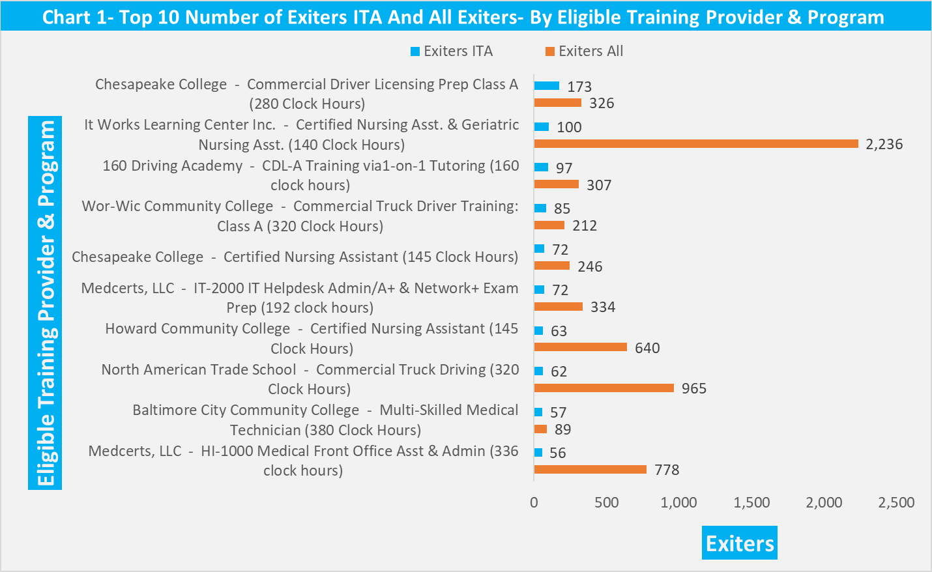
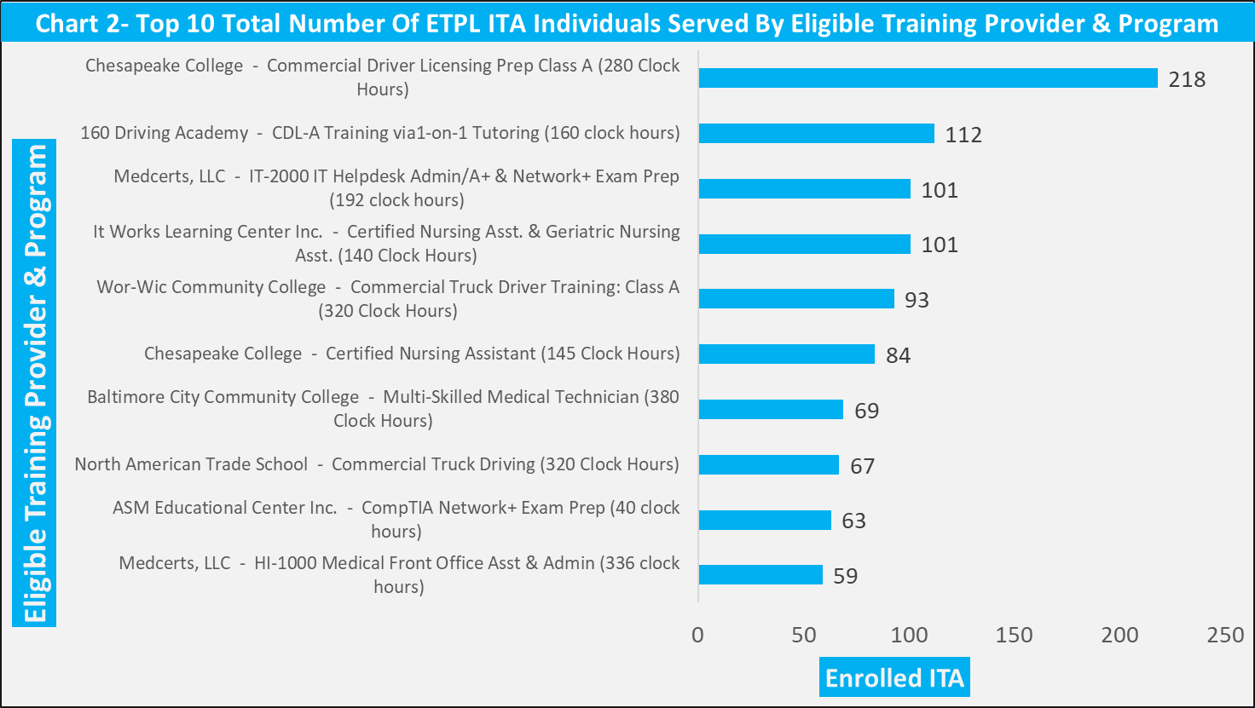
Maryland Eligible Training Provider List (ETPL) Overview Annual Dashboard Program Year 2019-2022

CHART 1
Chart 1- Top 10 Total Number Of ETPL Exiters ITA And All Exiters Served By Eligible Training Provider & Program

 | Exiters All | Exiters ITA
Medcerts, LLC - HI-1000 Medical Front Office Asst & Admin (336 clock hours) | 778 | 56
Baltimore City Community College - Multi-Skilled Medical Technician (380 Clock Hours) | 89 | 57
North American Trade School - Commercial Truck Driving (320 Clock Hours) | 965 | 62
Howard Community College - Certified Nursing Assistant (145 Clock Hours) | 640 | 63
Medcerts, LLC - IT-2000 IT Helpdesk Admin/A+ & Network+ Exam Prep (192 clock hours) | 334 | 72
Chesapeake College - Certified Nursing Assistant (145 Clock Hours) | 246 | 72
Wor-Wic Community College - Commercial Truck Driver Training: Class A (320 Clock Hours) | 212 | 85
160 Driving Academy - CDL-A Training via1-on-1 Tutoring (160 clock hours) | 307 | 97
It Works Learning Center Inc. - Certified Nursing Asst. & Geriatric Nursing Asst. (140 Clock Hours) | 2236 | 100
Chesapeake College - Commercial Driver Licensing Prep Class A (280 Clock Hours) | 326 | 173

CHART 2
Chart 2- Top 10 Total Number Of ETPL ITA Individuals Served By Eligible Training Provider & Program

 | Total
Medcerts, LLC - HI-1000 Medical Front Office Asst & Admin (336 clock hours) | 59
ASM Educational Center Inc. - CompTIA Network+ Exam Prep (40 clock hours) | 63
North American Trade School - Commercial Truck Driving (320 Clock Hours) | 67
Baltimore City Community College - Multi-Skilled Medical Technician (380 Clock Hours) | 69
Chesapeake College - Certified Nursing Assistant (145 Clock Hours) | 84
Wor-Wic Community College - Commercial Truck Driver Training: Class A (320 Clock Hours) | 93
It Works Learning Center Inc. - Certified Nursing Asst. & Geriatric Nursing Asst. (140 Clock Hours) | 101
Medcerts, LLC - IT-2000 IT Helpdesk Admin/A+ & Network+ Exam Prep (192 clock hours) | 101
160 Driving Academy - CDL-A Training via1-on-1 Tutoring (160 clock hours) | 112
Chesapeake College - Commercial Driver Licensing Prep Class A (280 Clock Hours) | 218

CHART 3
Chart 3- Top 10 Total Number Of ETPL Exiters ITA And Completers ITA By Eligible Training Provider & Program

 | Completers ITA | Exiters ITA
Medcerts, LLC - HI-1000 Medical Front Office Asst & Admin (336 clock hours) | 41 | 56
Baltimore City Community College - Multi-Skilled Medical Technician (380 Clock Hours) | 29 | 57
North American Trade School - Commercial Truck Driving (320 Clock Hours) | 54 | 62
Howard Community College - Certified Nursing Assistant (145 Clock Hours) | 59 | 63
Chesapeake College - Certified Nursing Assistant (145 Clock Hours) | 65 | 72
Medcerts, LLC - IT-2000 IT Helpdesk Admin/A+ & Network+ Exam Prep (192 clock hours) | 42 | 72
Wor-Wic Community College - Commercial Truck Driver Training: Class A (320 Clock Hours) | 76 | 85
160 Driving Academy - CDL-A Training via1-on-1 Tutoring (160 clock hours) | 68 | 97
It Works Learning Center Inc. - Certified Nursing Asst. & Geriatric Nursing Asst. (140 Clock Hours) | 83 | 100
Chesapeake College - Commercial Driver Licensing Prep Class A (280 Clock Hours) | 158 | 173

CHART 4
Chart 4- ITA Employment & ITA Credential Attainment Rate

 | ITA Employment QTR2 Rate | ITA Employment QTR4 Rate | ITA Credential Attainment Rate | State Total
State Total | 81.2% | 80.5% | 58.8% | 100.0%

CHART 5
Chart 5-Comparison Of ITA Enrollments By LWDA (Active 7/1/2021 to 6/30/2022) And (7/1/2022 to 6/30/2023)

 | ITA Enrollments 7/1/2021 to 6/30/2022 | ITA Enrollments 7/1/2022 to 6/30/2023
Anne Arundel | 21 | 60
Baltimore City | 103 | 64
Baltimore County | 85 | 100
Carroll County | 20 | 27
Frederick County | 25 | 17
Howard County | 86 | 46
Lower Shore | 32 | 46
Montgomery County | 90 | 211
Prince George's County | 92 | 78
Southern Maryland | 24 | 14
Susquehanna | 45 | 42
Upper Shore | 210 | 187
Western Maryland | 48 | 60

